Sheet1
Pictures | Product name | Item No. | Stock qty | Unit | Colors | Material | Product size | QTY/ CTNS | TTL CTNS | Meas of ctn（CM） | CBM/ CTN | TTL CBM | QTY/ 40HQ | Unit Price | FOB Port | Lead time
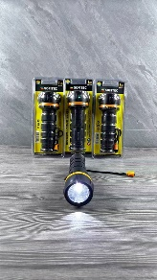 | LED Waterproof (emergency) Flashlight | X2503332 | 121360 | pc | Black | Plastic | 6*19cm | 72 | 168 | 55*38.5*47.5 | 0.10058125 | 16.89765 | 48677 | $1.49 | Shenzhen | Packed,ready to ship
